Little Math
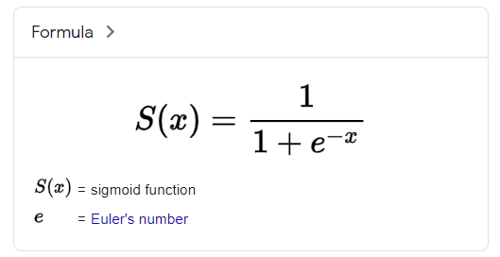
X | Y
-10 | 0.000045 | 0.000045
-9 | 0.000123 | 0.000123
-8 | 0.000335 | 0.000335
-7 | 0.000911 | 0.000911
-6 | 0.002473 | 0.002473
-5 | 0.006693 | 0.006693
Y vs. X
-4 | 0.017986 | 0.017986
-3 | 0.047426 | 0.047426
-2 | 0.119203 | 0.119203
-1 | 0.268941 | 0.268941
0 | 0.500000 | 0.500000
1 | 0.731059 | 0.731059
2 | 0.880797 | 0.880797
3 | 0.952574 | 0.952574
4 | 0.982014 | 0.982014
5 | 0.993307 | 0.993307
6 | 0.997527 | 0.997527
7 | 0.999089 | 0.999089
8 | 0.999665 | 0.999665
9 | 0.999877 | 0.999877
10 | 0.999955 | 0.999955
 | =1/(1+EXP(-A2)) | =EXP(A2)/(1+EXP(A2))

Model Training
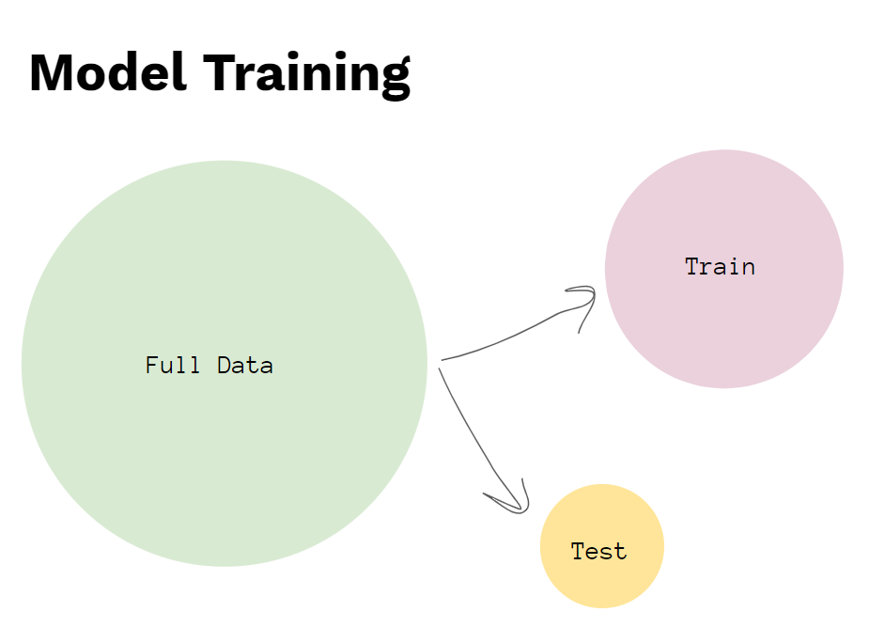
 |  |  | FALSE
ID | happiness | divorce | random
5 | 8 | 0 | 0.7605
3 | 9 | 0 | 0.3087
15 | 4 | 1 | 0.6307
13 | 3 | 1 | 0.9632
18 | 3 | 1 | 0.9078
2 | 8 | 0 | 0.5102
4 | 7 | 0 | 0.8019
14 | 1 | 1 | 0.5827
7 | 9 | 0 | 0.4948
16 | 5 | 1 | 0.8682
12 | 1 | 1 | 0.5814
6 | 5 | 0 | 0.0990
19 | 2 | 1 | 0.7778
20 | 0 | 1 | 0.1952
11 | 1 | 1 | 0.8847
8 | 6 | 0 | 0.9572
17 | 6 | 1 | 0.3877
10 | 7 | 0 | 0.1116
1 | 10 | 0 | 0.1109
9 | 8 | 0 | 0.2097

